Project schedule initial
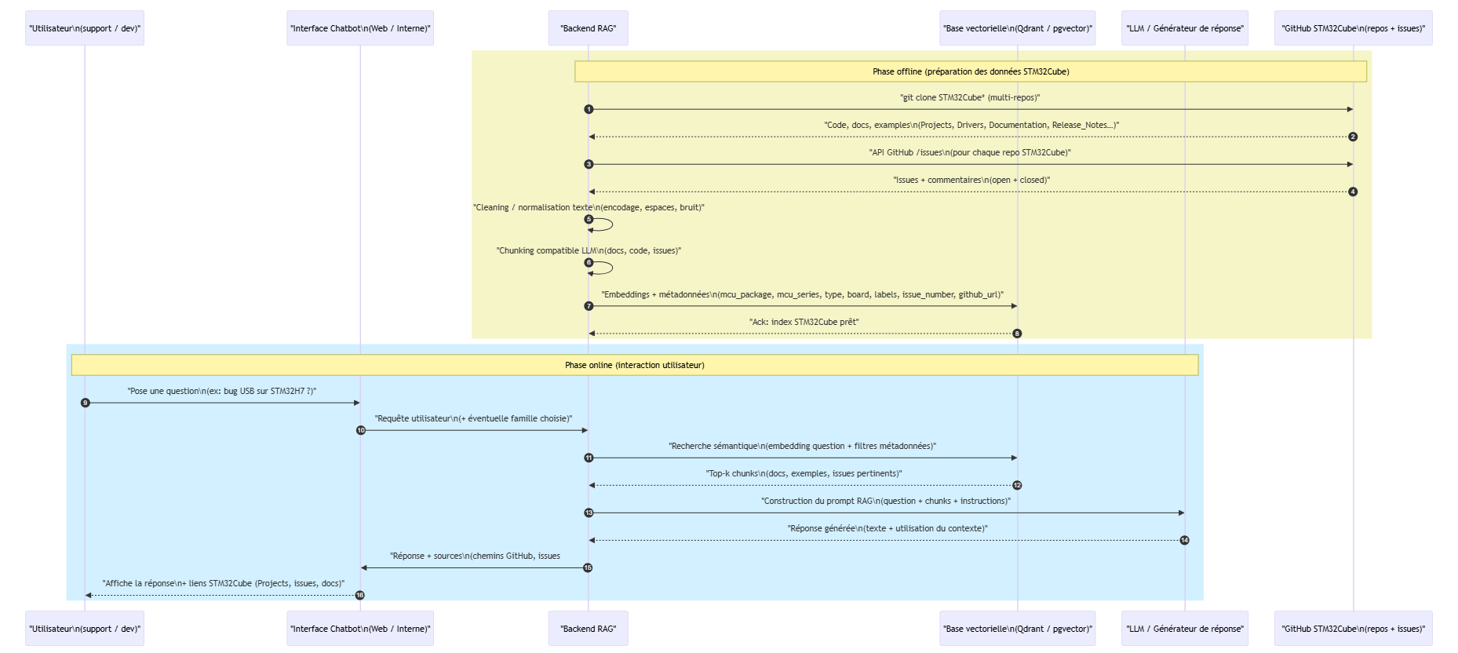
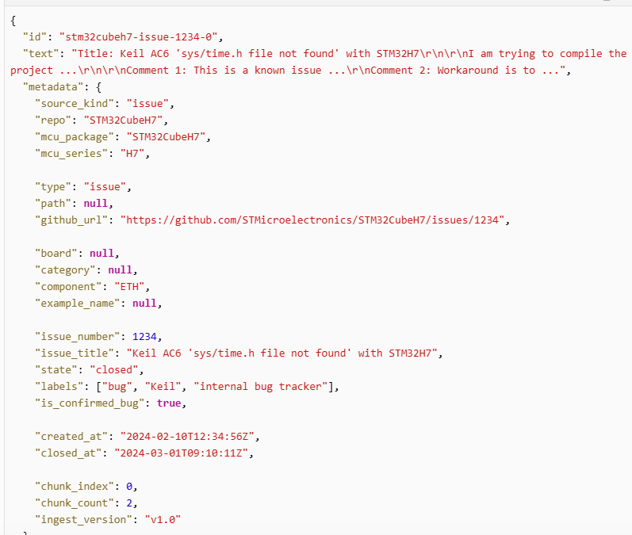
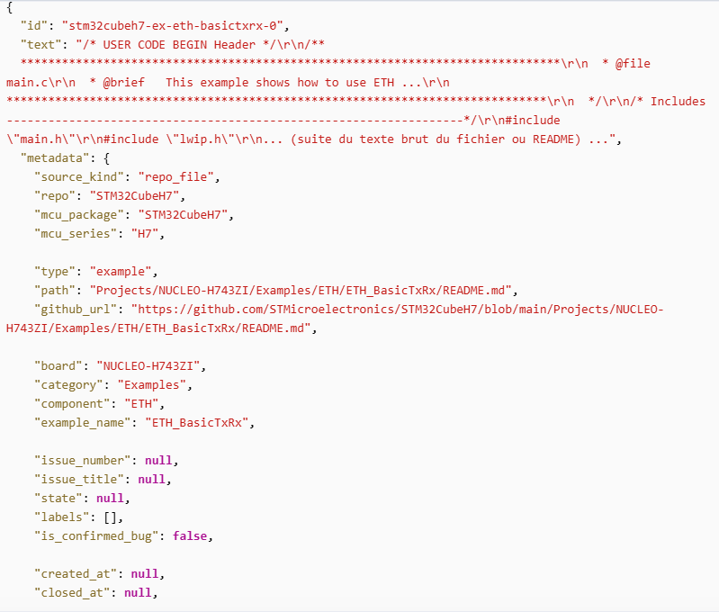
Projet PFE |  |  |  | Project start: |  |  |  |  |  |  |  | 2/9/2026 |  |  |  |  |  |  |  |  |  |  |  |  | Project start: |  |  |  |  |  |  | 8/9/2026
PFE 2026 - AI-powered Chatbot for GitHub |  |  |  | Display week: |  |  |  |  |  |  |  | 1

 |  |  |  | 2026-02-09 |  |  |  |  |  |  | 2026-02-16 |  |  |  |  |  |  | 2026-02-23 |  |  |  |  |  |  | 2026-03-02 |  |  |  |  |  |  | 2026-03-09 |  |  |  |  |  |  | 2026-03-16 |  |  |  |  |  |  | 2026-03-23 |  |  |  |  |  |  | 2026-03-30 |  |  |  |  |  |  | 2026-04-06 |  |  |  |  |  |  | 2026-04-13 |  |  |  |  |  |  | 2026-04-20 |  |  |  |  |  |  | 2026-04-27 |  |  |  |  |  |  | 2026-05-04 |  |  |  |  |  |  | 2026-05-11 |  |  |  |  |  |  | 2026-05-18 |  |  |  |  |  |  | 2026-05-25 |  |  |  |  |  |  | 2026-06-01 |  |  |  |  |  |  | 2026-06-08 |  |  |  |  |  |  | 2026-06-15 |  |  |  |  |  |  | 2026-06-22 |  |  |  |  |  |  | 2026-06-29 |  |  |  |  |  |  | 2026-07-06 |  |  |  |  |  |  | 2026-07-13 |  |  |  |  |  |  | 2026-07-20 |  |  |  |  |  |  | 2026-07-27 |  |  |  |  |  |  | 2026-08-03 |  |  |  |  |  |  | 2026-08-10
TASK | PROGRESS | START | END | 2026-02-09 | 2026-02-10 | 2026-02-11 | 2026-02-12 | 2026-02-13 | 2026-02-14 | 2026-02-15 | 2026-02-16 | 2026-02-17 | 2026-02-18 | 2026-02-19 | 2026-02-20 | 2026-02-21 | 2026-02-22 | 2026-02-23 | 2026-02-24 | 2026-02-25 | 2026-02-26 | 2026-02-27 | 2026-02-28 | 2026-03-01 | 2026-03-02 | 2026-03-03 | 2026-03-04 | 2026-03-05 | 2026-03-06 | 2026-03-07 | 2026-03-08 | 2026-03-09 | 2026-03-10 | 2026-03-11 | 2026-03-12 | 2026-03-13 | 2026-03-14 | 2026-03-15 | 2026-03-16 | 2026-03-17 | 2026-03-18 | 2026-03-19 | 2026-03-20 | 2026-03-21 | 2026-03-22 | 2026-03-23 | 2026-03-24 | 2026-03-25 | 2026-03-26 | 2026-03-27 | 2026-03-28 | 2026-03-29 | 2026-03-30 | 2026-03-31 | 2026-04-01 | 2026-04-02 | 2026-04-03 | 2026-04-04 | 2026-04-05 | 2026-04-06 | 2026-04-07 | 2026-04-08 | 2026-04-09 | 2026-04-10 | 2026-04-11 | 2026-04-12 | 2026-04-13 | 2026-04-14 | 2026-04-15 | 2026-04-16 | 2026-04-17 | 2026-04-18 | 2026-04-19 | 2026-04-20 | 2026-04-21 | 2026-04-22 | 2026-04-23 | 2026-04-24 | 2026-04-25 | 2026-04-26 | 2026-04-27 | 2026-04-28 | 2026-04-29 | 2026-04-30 | 2026-05-01 | 2026-05-02 | 2026-05-03 | 2026-05-04 | 2026-05-05 | 2026-05-06 | 2026-05-07 | 2026-05-08 | 2026-05-09 | 2026-05-10 | 2026-05-11 | 2026-05-12 | 2026-05-13 | 2026-05-14 | 2026-05-15 | 2026-05-16 | 2026-05-17 | 2026-05-18 | 2026-05-19 | 2026-05-20 | 2026-05-21 | 2026-05-22 | 2026-05-23 | 2026-05-24 | 2026-05-25 | 2026-05-26 | 2026-05-27 | 2026-05-28 | 2026-05-29 | 2026-05-30 | 2026-05-31 | 2026-06-01 | 2026-06-02 | 2026-06-03 | 2026-06-04 | 2026-06-05 | 2026-06-06 | 2026-06-07 | 2026-06-08 | 2026-06-09 | 2026-06-10 | 2026-06-11 | 2026-06-12 | 2026-06-13 | 2026-06-14 | 2026-06-15 | 2026-06-16 | 2026-06-17 | 2026-06-18 | 2026-06-19 | 2026-06-20 | 2026-06-21 | 2026-06-22 | 2026-06-23 | 2026-06-24 | 2026-06-25 | 2026-06-26 | 2026-06-27 | 2026-06-28 | 2026-06-29 | 2026-06-30 | 2026-07-01 | 2026-07-02 | 2026-07-03 | 2026-07-04 | 2026-07-05 | 2026-07-06 | 2026-07-07 | 2026-07-08 | 2026-07-09 | 2026-07-10 | 2026-07-11 | 2026-07-12 | 2026-07-13 | 2026-07-14 | 2026-07-15 | 2026-07-16 | 2026-07-17 | 2026-07-18 | 2026-07-19 | 2026-07-20 | 2026-07-21 | 2026-07-22 | 2026-07-23 | 2026-07-24 | 2026-07-25 | 2026-07-26 | 2026-07-27 | 2026-07-28 | 2026-07-29 | 2026-07-30 | 2026-07-31 | 2026-08-01 | 2026-08-02 | 2026-08-03 | 2026-08-04 | 2026-08-05 | 2026-08-06 | 2026-08-07 | 2026-08-08 | 2026-08-09 | 2026-08-10 | 2026-08-11 | 2026-08-12 | 2026-08-13 | 2026-08-14 | 2026-08-15 | 2026-08-16
 |  |  |  | M | T | W | T | F | S | S | M | T | W | T | F | S | S | M | T | W | T | F | S | S | M | T | W | T | F | S | S | M | T | W | T | F | S | S | M | T | W | T | F | S | S | M | T | W | T | F | S | S | M | T | W | T | F | S | S | M | T | W | T | F | S | S | M | T | W | T | F | S | S | M | T | W | T | F | S | S | M | T | W | T | F | S | S | M | T | W | T | F | S | S | M | T | W | T | F | S | S | M | T | W | T | F | S | S | M | T | W | T | F | S | S | M | T | W | T | F | S | S | M | T | W | T | F | S | S | M | T | W | T | F | S | S | M | T | W | T | F | S | S | M | T | W | T | F | S | S | M | T | W | T | F | S | S | M | T | W | T | F | S | S | M | T | W | T | F | S | S | M | T | W | T | F | S | S | M | T | W | T | F | S | S | M | T | W | T | F | S | S
Cadrage et Architecture (Mois 1)
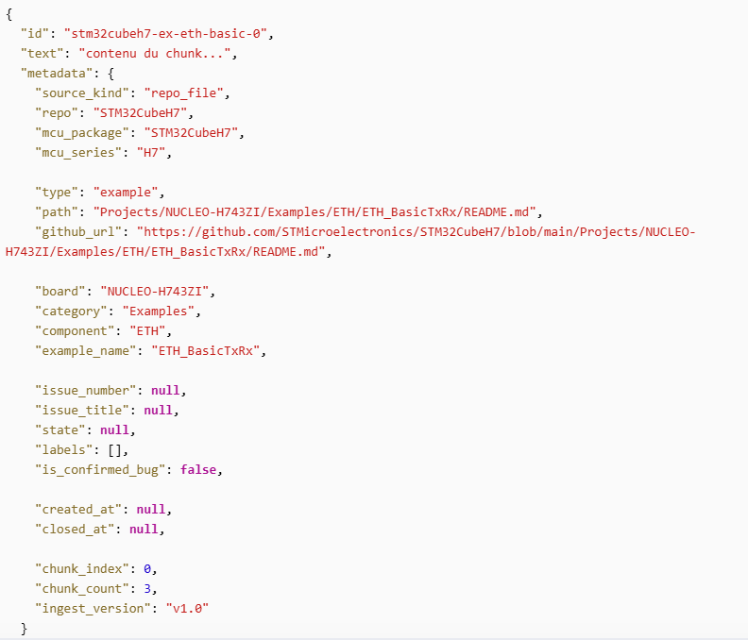
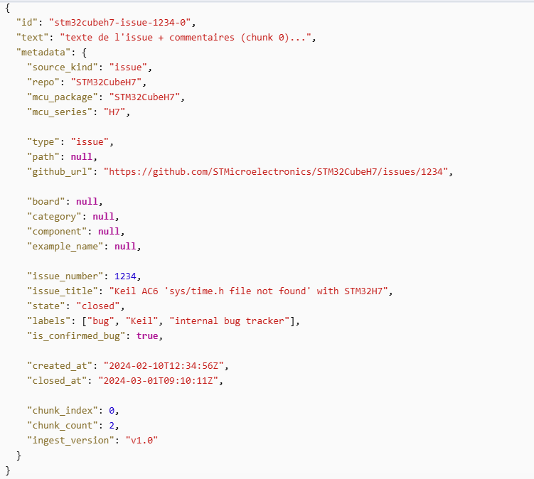
Cadrage besoin ST + Choix Stack | 50% | 2/9/26 | 2/27/26
Exploration Repo Github | 60% | 2/10/26 | 2/18/26
Architecture RAG | 10% | 2/18/26 | 2/27/26 |  |  |  |  |  |  |  |  |  |  |  |  |  |  |  |  |  |  |  |  |  |  |  |  |  |  |  |  |  |  |  |  |  |  |  |  |  |  |  |  |  |  |  |  |  |  |  |  |  |  |  |  |  |  |  |  |  |  |  |  |  |  |  |  |  |  |  |  |  |  |  |  |  |  |  |  |  |  |  |  |  |  |  |  |  |  |  |  |  |  |  |  |  |  |  |  |  |  |  |  |  |  |  |  |  |  |  |  |  |  |  |  |  |  |  |  |  |  |  |  |  |  |  |  |  |  |  |  |  |  |  |  |  |  |  |  |  |  |  |  |  |  |  |  |  |  |  |  |  |  |  |  |  |  |  |  |  |  |  |  |  |  |  |  |  |  |  |  |  |  |  |  |  |  |  |  |  |  |  |  |  |  |  |  |  |  |  |  |  | Le vecteur sert à chercher les chunks pertinents, le payload sert à filtrer et à construire la réponse en citant les bonnes sources
Collecte et prétraitement (Mois 2)
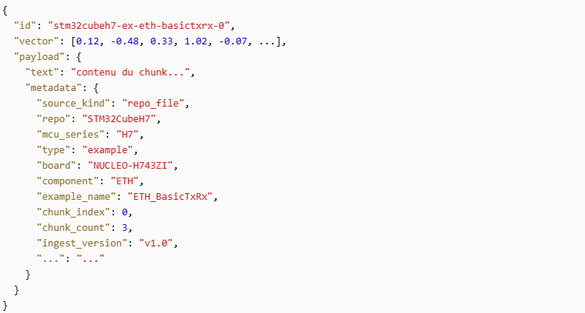
Ingestion issues GitHub STM32Cube | 0% | 3/2/26 | 3/6/26
Ingestion fichiers repos STM32Cube | 0% | 3/7/26 | 3/13/26
Prétraitement (cleaning, chunking,métadonnées) | 0% | 3/14/26 | 3/31/26
Backend RAG (Mois 3)
Vector DB + Indexation embeddings | 0% | 4/1/26 | 4/8/26
Service de retrieval + API / Search | 0% | 4/9/26 | 4/22/26
Affinage Scoring | 0% | 4/23/26 | 4/30/26
Intégration GenAI (Mois 4)
Intégration LLM + service answer Question | 0% | 5/1/26 | 5/15/26
Interface + Tests | 0% | 5/15/26 | 5/22/26
Feedback + affinage prompt / filtres | 0% | 5/23/26 | 5/29/26
Amélioration , Evaluation (Mois 5)
Evaluation (Jeu de tests) | 0% | 6/1/26 | 6/5/26
Evaluation (mesures de qualité) | 0% | 6/8/26 | 6/12/26
Filtres Avancés | 0% | 6/15/26 | 6/19/26
Finalisation, Documentation (Mois 6)
Stablisation Technique | 0% | 7/1/26 | 7/10/26
Rédaction rapport et documentation | 0% | 7/13/26 | 7/31/26
Préparation démo et slides de soutenance | 0% | 7/22/26 | 8/9/26

